Listino
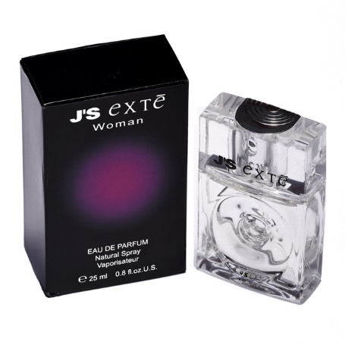
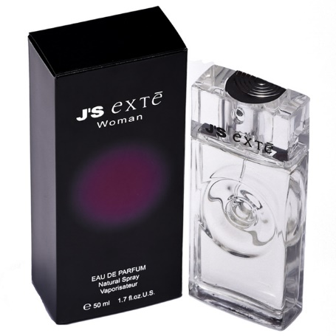
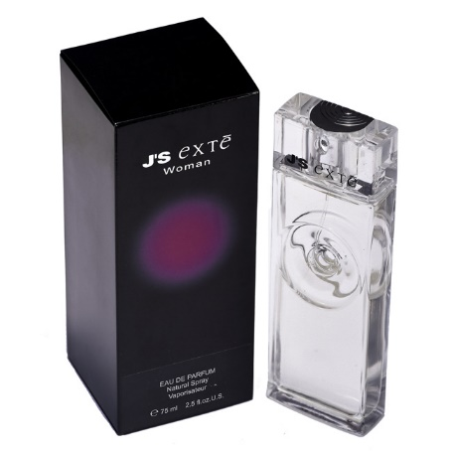
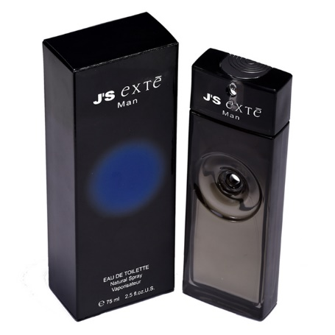
BRAND | CODICE | BARCODE | DESCRIPTION | COLOR | RETAIL PRICE | PZ X CARTONE | DIVISIONE PZ PER BANCALE | QUANTITY PER PALLET | AVAILABLE PALLETS | QUANTITY TOTAL | DATA CONSEGNA
EXTE | 20000 | 8011530200008 | PROFUMO J'S EXTE WOMAN EAU DE PARFUM 25 ml NATURAL SPRAY | BLUE-WOMAN | € 28.50 | 38 | 720 | 1,450 | 10 | 14,500 | IMMEDIATA
EXTE | 20001 | 8011530200015 | PROFUMO J'S EXTE WOMAN EAU DE PARFUM 50 ml NATURAL SPRAY | BLUE-WOMAN | € 39.50 | 19 | 190
EXTE | 20002 | 8011530200022 | PROFUMO J'S EXTE WOMAN EAU DE PARFUM 75 ml NATURAL SPRAY | BLUE-WOMAN | € 49.00 | 16 | 160
EXTE | 21003 | 8011530210038 | PROFUMO J'S EXTE MAN EAU DE TOILETTE 75 ml NATURAL SPRAY | BLUE-MAN | € 49.50 | 19 | 380

